Projects (2)
Project ID | Title | Link | Budget | Beneficiary Category | Indicator | Baseline | Target | Notes | Donors | Gender (% female) | Category | Comments
5304 | Urban Transport | PIMS+ | 2639726 | Transport Services |  |  | 222 |  |  |  | VF | to the CO: Please define the target.
5194 | DREAMS | PIMS+ | 5200000 | GHG Emissions Reduction | Cumulative direct project CO2 emission reductions from RE development by end-of-project (EOP), tonnes CO2 | 0 | 205000 | Direct GHG avoidance calculated according the GEF Manual for GHG Reductions from RE Projects |  |  | VF
 |  |  |  | Electricity Access | Percent share of RE in the power generation mix of the Philippines – based on installed capacity. | 14.40% | 35% | Reported progress is based on Philippine government data on annual generation mix |  |  | VF
 |  |  |  | Electricity Access | Number of sitio households in far-flung areas that have obtained access to reliable sources of renewable energy due to the Project | 0 | 20,000 HH | The DREAMS Project implements the Support Facility for RE (SF4RE), a $1.7 million total grant of goods or services for RE projects for electrification and productive use, especially in in off-grid areas. Among supported projects are SF4RE RE Projects that benefit sitio households. |  |  | VF | to the CO: for this entire project, can you please provide a sum of the total additional MW capacity targeted? It is unclear whether the listed MW targets are all independent
 |  |  |  | Policy or Regulatory Framework | Number of approved and enforced policies and guidelines for leveraging RE investments | 0 | 8 | DREAMS provides technical assistance to policy formulation of the Department of Energy. |  |  | VF | Project response: Total sum of total target added capicity is 95 MW total. This is composed of the items in bold in column H, which are independent of each other. I note that I don't recommend adding to the total the Energy (MW Added) from the target "Cumulative MW of installed capacity registered in the RER established in the “capitalized” RE market;" it isn't included in the figure I gave of 95 MW total. This is because this target is capturing the registration of already existing capacities into the RE Registrar for RE Certificate trading, instead of installing a greenfield RE facility with new capacities.
 |  |  |  | Policy or Regulatory Framework | Number of sitios with off-grid rural electrification plans using RE | 0 | 12 | DREAMS Project provides capacity building for Local RE Planning of LGUs and Electric Cooperatives, specifically in integrating RE and electrification in budgets, policies, and plans. |  |  | VF | Project Rresponse 2 (November 2023): For beneficiaries of the SF4RE, please see slide below:
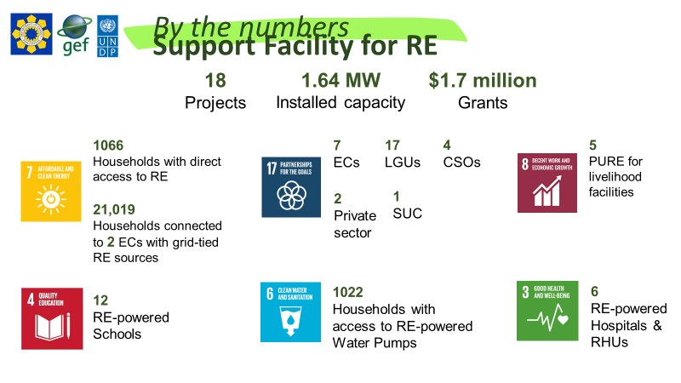
 |  |  |  | Medium Enterprises | Number of businesses who have accreditation or applied for DOE accreditation to manufacture, fabricater supply locally produced RE components | 9 | 50 | RE manufacturers can register their businesses to the Department of Energy to avail incentives. |  |  | VF
 |  |  |  | Other Energy Services | Number of funded and implemented RE projects championed or facilitated by LGU-based RE focal points | 0 |  | The DREAMS Project implements the Support Facility for RE (SF4RE), a $1.7 million total grant of goods or services for RE projects for electrification and productive use, especially in in off-grid areas. Project proponents include LGUs, who champion and also invest a counterpart in the SF4RE Project |  |  | VF
 |  |  |  | Other Energy Services | Number of RE projects facilitated by operational provincial level RE market service centres | 0 |  | The DREAMS Project implements the Support Facility for RE (SF4RE), a $1.7 million total grant of goods or services for RE projects for electrification and productive use, especially in in off-grid areas. Project proponents include provincial level institutions, who champion and also invest a counterpart in the SF4RE Project |  |  | VF
 |  |  |  | Other Energy Services | Number of RE projects that were designed based on information and technical advice obtained from the established RE knowledge platform | 0 |  | DREAMS Project supported the development of the RE Management Bureau Information System. The System will go live on June 2023. This system will be used by students of the RE Executive Course to create RE projects as a capstone requirement for certification. |  |  | VF
 |  |  |  | Energy (MW added) | Cumulative MW of installed capacity registered in the RER established in the “capitalized” RE market | 0 | 10 | DREAMS Project funded software and hardware needs of the Philippine RE Market System and RE Registrar, which is the platform that operationalizes the trading of RE Certificates in the PHilippines. The platform contributes to market development of all RE enterprises, regardless of size |  |  | VF
 |  |  |  | Other Energy Services | Number of RE developers registered in the RER | 0 | 15 | DREAMS Project funded software and hardware needs of the Philippine RE Market System and RE Registrar, which is the platform that operationalizes the trading of RE Certificates in the PHilippines. The platform contributes to market development of all RE enterprises, regardless of size |  |  | VF
 |  |  |  | Energy (MW added) | MW of RE projects that are being developed through the PPF | 0 | 15 | The DREAMS Project implements the Support Facility for RE (SF4RE), a $1.7 million total grant of goods or services for RE projects for electrification and productive use, especially in in off-grid areas. |  |  | VF
 |  |  |  | Policy or Regulatory Framework | Number of bankable RE plans completed by other LGUs who were interested in RE-based energy systems | 0 | 3 | The DREAMS Project implements the Support Facility for RE (SF4RE), a $1.7 million total grant of goods or services for RE projects for electrification and productive use, especially in in off-grid areas. Project proponents include LGUs, who champion and also invest a counterpart in the SF4RE Project. Other LGUs refer to LGUs that are not the Province of Iloilo and Province of Palawan, the two provinces that are on the DREAMS Project Board with co-financing commitments |  |  | VF
 |  |  |  | Capacity Training | Number of certified technicians for RE equipment assembly and supply working with locally DOE accredited RE manufacturing entities | 0 | 10 | DREAMS conducts technical training for RE technicians, particularly to implement RE plans produced from other outcomes |  |  | VF
 |  |  |  | Energy (MW added) | MW of installed capacity of RE projects being implemented that received support from new RE financial mechanisms that combine PPF, RE loan financing and the LGUGC (when appropriate) | 0 | 5 | DREAMS provides technical assistance in the development of the Renewable Energy Trust Fund (RETF) Operating Manual. The Manual will enable the operationalization of the RETF, which is mandated by the RE Law but yet to be implemented due to challenges in fund collections and coordination. With DREAMS Support, in 2022, the RETF has successfully opened a bank account and began sending collection letters. The manual is anticipated for Secretary’s approval later this year. A 2014 GIZ study estimated the RETF’s initial year to amount to USD1.78 million. This estimate is likely to be exceeded as lack of implementing and quantifying guidelines have now been addressed in 2022. The RETF will be a new RE financial mechanisms available to different stakeholders in promoting RE, and eventually newly installed RE capacity. However, these installed capacities will materialize post-DREAMS project period. |  |  | VF
 |  |  |  | Energy (MW added) | MW of installed capacity of RE projects resulting from accelerated expediting of RE service contracts | 0 | 75 | In 2016, RE projects were listed in the ProDoc that required technical assistance to secure permits to start installation. Letters of Commitment from these Developers were also submitted to the executing agency. However, during inception planning of the DREAMS Project, it was revealed that the projects have been discontinued, completed or already being assisted by the REMB. Amidst the lack of RE projects that could directly receive acceleration assistance from DREAMS, the project has supported the building of an enabling environment of RE law policy mechanisms. These various policy mechanisms created demand and even facilitated the installation of new RE projects. |  |  | VF

